design_table
F_priority_scheme | F_number_of_agents | F_hard_ceiling | F_ceiling_value | F_burn_in | F_days | F_NPS_dist_bias | F_tNPS_wtime_effect_bias | startdate | repetition | closed_avg_simulated_NPS | closed_avg_simulated_throughput_time | closed_avg_predicted_NPS | closed_avg_predicted_throughput_time | closed_avg_predicted_NPS_priority | closed_avg_initial_delay | closed_avg_activity_start_delay | closed_avg_duration_delayed | all_avg_simulated_NPS | all_avg_simulated_throughput_time | all_avg_predicted_NPS | all_avg_predicted_throughput_time | all_avg_predicted_NPS_priority | all_avg_initial_delay | all_avg_activity_start_delay | all_avg_duration_delayed | cases_arrived | cases_closed | case_queued | cases_assigned_at_end | min_tracelen | max_tracelen | Simulation_duration_min | RUN | Done
NPS | 3 | NONE | 2.5 | 0 | 50 | 0 | 1 | 7/1/2018 | 0 | -1 | -1 | -1 | -1 | -1 | -1 | -1 | -1 | -1 | -1 | -1 | -1 | -1 | -1 | -1 | -1 | -1 | -1 | -1 | -1 | -1 | -1 | -1 | 0 | 0
SRTF | 3 | NONE | 2.5 | 0 | 50 | 0 | 1 | 7/1/2018 | 0 | -1 | -1 | -1 | -1 | -1 | -1 | -1 | -1 | -1 | -1 | -1 | -1 | -1 | -1 | -1 | -1 | -1 | -1 | -1 | -1 | -1 | -1 | -1 | 1 | 0
LRTF | 3 | NONE | 2.5 | 0 | 50 | 0 | 1 | 7/1/2018 | 0 | -1 | -1 | -1 | -1 | -1 | -1 | -1 | -1 | -1 | -1 | -1 | -1 | -1 | -1 | -1 | -1 | -1 | -1 | -1 | -1 | -1 | -1 | -1 | 2 | 0
FCFS | 3 | NONE | 2.5 | 0 | 50 | 0 | 1 | 7/1/2018 | 0 | -1 | -1 | -1 | -1 | -1 | -1 | -1 | -1 | -1 | -1 | -1 | -1 | -1 | -1 | -1 | -1 | -1 | -1 | -1 | -1 | -1 | -1 | -1 | 3 | 0
 |  |  |  |  |  | additive | multiplicative

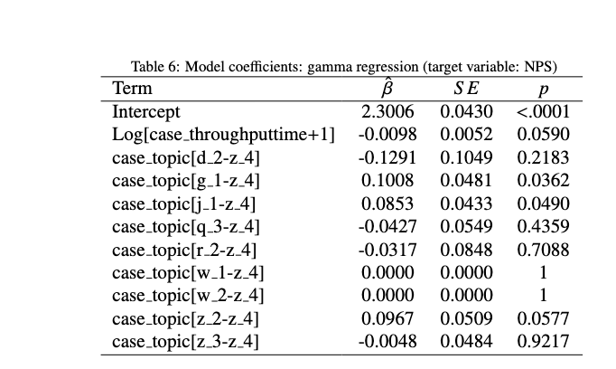
 |  |  |  |  |  | Same equation: dist bias is

 |  |  |  |  |  | Range | Range
 |  |  |  |  |  | 1 | 1
 |  |  |  |  |  | -1 | 1.5
 |  |  |  |  |  |  | 2
 |  |  |  |  |  |  | 2.5

 |  |  |  |  |  | What to do with the distribution afterwards
 |  |  |  |  |  | Does this just increase the variance? (important to measure this)
 |  |  |  |  |  | Will we have to change the denominator in the gamma dist

 |  |  |  |  |  | Assessing the model / Generalization storytelling
 |  |  |  |  |  | What correlation coefficient is the changes to the beta in study 3 equivalent to?

 |  |  |  |  |  | How much do we need to change the correlation to see a change?

Related: how to change the unstandardized coefficient in a gamma regression to a standardized (correlation) coefficient? Gemini 2.5 pro: Based on the search results, you can convert an unstandardized regression coefficient (often denoted as β) from a model like Gamma regression to a standardized coefficient (β*) using the standard deviations of the predictor and response variables12.
The standard formula is:
Standardized β* = Unstandardized β * (sd(X) / sd(Y))12
Where:
Unstandardized β: This is the coefficient estimate you get directly from your Gamma regression model output for a specific predictor variable2. Note that in GLMs like Gamma regression, this coefficient typically represents the effect on the scale of the link function (e.g., change in log(mean) or 1/mean per unit change in X).
sd(X): This is the standard deviation of your predictor variable (X) calculated from the dataset used to fit the model12.
sd(Y): This is the standard deviation of your response variable (Y) calculated from the dataset used to fit the model12. For your project, this would be the standard deviation of the observed NPS scores in your calibration data.
Steps:
Obtain the unstandardized coefficient (β) for the predictor of interest (e.g., log-transformed throughput time) from your Gamma regression model summary.
Calculate the standard deviation of that predictor variable (X) using your input data.
Calculate the standard deviation of your response variable (Y, the NPS score) using your input data.
Plug these values into the formula above to get the standardized coefficient (β*).
Refinement for Correlated Predictors:
If your model includes multiple predictors that are correlated, using the simple standard deviation sd(X) might not fully isolate the unique contribution of that predictor. In such cases, it's recommended to use the partial standard deviation of the predictor (s*ₓᵢ)2.
The partial standard deviation adjusts the predictor's standard deviation for the influence of other predictors in the model2. It is calculated as:
s*ₓᵢ = sₓᵢ * √(VIFₓᵢ⁻¹) * √((n-1)/(n-p))2
Where:
sₓᵢ is the standard deviation of predictor Xᵢ.
VIFₓᵢ is the Variance Inflation Factor for predictor Xᵢ.
n is the number of observations.
p is the number of predictors in the model.
If using partial standard deviations, the formula for the standardized coefficient becomes:
Standardized β* = Unstandardized β * (s*ₓᵢ / sd(Y)) (Note: Some sources suggest the formula βᵢ* = βᵢ s*ₓᵢ when using partial SDs, effectively standardizing only by the predictor's adjusted SD, not the response SD2. Consult references like Bring (1994) or Afifi et al. (2011) cited in2 for detailed rationale in GLMs).
Interpretation:
The standardized coefficient (β*) represents the change in the response variable (in standard deviation units, often on the link function scale for GLMs) for a one standard deviation increase in the predictor variable, holding other variables constant2. This allows for a comparison of the relative importance of predictors measured on different scales2. Remember that the interpretation in GLMs needs to consider the link function.
Important Note: The standard deviation of the Gamma distribution itself (related to shape a and rate b parameters as sqrt(a)/b)3 is a theoretical property of the distribution. For standardizing coefficients, you use the empirical standard deviation (sd(Y)) calculated from your actual response data12.
Citations:
https://groups.google.com/g/lavaan/c/xS_buh7XNy8
https://search.r-project.org/CRAN/refmans/DescTools/html/StdCoef.html
https://math.stackexchange.com/questions/1810257/gamma-functions-mean-and-standard-deviation-through-shape-and-rate
https://aosmith.rbind.io/2018/03/26/unstandardizing-coefficients/
https://stats.stackexchange.com/questions/129641/multiple-regression-converting-standardized-coefficients-to-unstandardized
https://www.statalist.org/forums/forum/general-stata-discussion/general/1464284-converting-unstandardized-regression-coefficients-to-standard-deviations-standardized-effect-size
https://www.campbellcollaboration.org/calculator/equations
https://stackoverflow.com/questions/74551125/how-to-manually-calculate-coefficients-for-gamma-glm
https://www.math.cit.tum.de/fileadmin/w00ccg/math/Forschung/forschungsgruppen/statistics/academics/lec8.pdf
https://stats.stackexchange.com/questions/96972/how-to-interpret-parameters-in-glm-with-family-gamma
https://github.com/jslefche/piecewiseSEM/issues/232
https://dialnet.unirioja.es/descarga/articulo/7396808.pdf
https://www.statalist.org/forums/forum/general-stata-discussion/general/1421413-step-2-fama-macbeth-how-to-obtain-the-estimated-gamma-s-y-as-regression-coefficients
https://www.tandfonline.com/doi/abs/10.1080/09720510.2006.10701218
https://pj.freefaculty.org/guides/stat/Regression-GLM/Gamma/GammaGLM-01.pdf
https://stats.stackexchange.com/questions/232433/why-does-the-sign-of-regression-coefficients-for-standardized-unstandardize-da
https://stats.libretexts.org/Bookshelves/Probability_Theory/Probability_Mathematical_Statistics_and_Stochastic_Processes_(Siegrist)/05:_Special_Distributions/5.08:_The_Gamma_Distribution
http://library.virginia.edu/data/articles/getting-started-with-gamma-regression
https://en.wikipedia.org/wiki/Gamma_distribution
http://www.statmodel.com/discussion/messages/11/16.html?1306603592
Answer from Perplexity: pplx.ai/share

